DO NOT DELETE


This template is an exclusive property of Mapua-Malayan Digital College and is protected under Republic Act No. 8293, also known as the Intellectual Property Code of the Philippines (IP Code). It is provided solely for educational purposes within this course. Students may use this template to complete their tasks but may not modify, distribute, sell, upload, or claim ownership of the template itself. Such actions constitute copyright infringement under Sections 172, 177, and 216 of the IP Code and may result in legal consequences. Unauthorized use beyond this course may result in legal or academic consequences. Additionally, students must comply with the Mapua-Malayan Digital College Student Handbook, particularly with the following provisions: * Offenses Related to MMDC IT: - Section 6.2 – Unauthorized copying of files - Section 6.8 – Extraction of protected, copyrighted, and/or confidential information by electronic means using MMDC IT infrastructure * Offenses Related to MMDC Admin, IT, and Operations: - Section 4.5 – Unauthorized collection or extraction of money, checks, or other instruments of monetary equivalent in connection with matters pertaining to MMDC Violations of these policies may result in disciplinary actions ranging from suspension to dismissal, in accordance with the Student Handbook. For permissions or inquiries, please contact MMDC-ISD at isd@mmdc.mcl.edu.ph.

Testing

MO-IT103- Computer Programming 2
Test Case Document

Group No/Name |  | Mikee Miguel
Members |  | Mikee Miguel
Project Name |  | MotorPH Employee App
Project Description (provide a brief description of the project) |  | A Java-based application for managing employee records, including login, view, create, update, and delete functionalities using CSV files.

Instructions
Complete each section of the worksheet, tailoring the information to your specific project and assigned responsibilities. Sample answers are provided in red for guidance; replace these with your own responses in black.
Work collaboratively to align your answers and finalize the plan.

Test Case Table
TEST CASE ID # | SCENARIO | STEPS | TEST DATA | EXPECTED RESULT | ACTUAL RESULT | TEST RESULT | ACTUAL RESULT SCREENSHOT LINK
1 | User Authentication (Entering wrong username and password) | 1. Go to login page. 2. Log in with non-valid credentials. | Username: admin Password: asudbibw | Pop-up window showing "Invalid Credentials. Try again." | Pop-up window showing "Invalid Credentials. Try again." | Pass | Use Case 1
2 | User Authentication (Entering right username and password) | 1. Go to login page. 2. Log in with valid credentials. | Username: adminmikee_motorph Password: MotorPH_User_MikeeMiguel | Pop-up window showing "Login successful" | Pop-up window showing "Login successful" | Pass | Use Case 2
3 | Entering the MotorPH Employee Record | 1. Go to login page. 2. Log in with valid credentials. 3. Click OK | Username: adminmikee_motorph Password: MotorPH_User_MikeeMiguel | Window showing the MotorPH Eployee Record | Window showing the MotorPH Eployee Record | Pass | Use Case 3
4 | View complete details of the selected record in the MotorPH Employee Record | 1. Go to login page. 2. Log in with valid credentials. 3. Click OK 4. Select a row from the table shown 5. Click view | Selected "10017" | Showing the complete details of "Selena De Leon" | Showing the complete details of "Selena De Leon" | Pass | Use Case 4
5 | Delete a employee record | 1. Go to login page. 2. Log in with valid credentials. 3. Click OK 4. Select a row from the table shown 5. Click delete | Selected "10017" | Pop-up window showing " Are you sure to delete?" then "Yes" > it will now show that there will be no Selena De Leon" in the MotorPH Employee Record | Pop-up window showing " Are you sure to delete?" then "Yes" > it will now show that there will be no Selena De Leon" in the MotorPH Employee Record | Pass | Use Case 5.a | Use Case 5.b
6 | Add an employee | 1. Go to login page. 2. Log in with valid credentials. 3. Click OK 4. Select a row from the table shown 5. Click add 6. Entered details of "Selena De Leon" | Selena De Leon - 10017 details | Window for Add Employee will be shown then after entering the details click "OK". Now Selena De Leon is now added as employee | Window for Add Employee will be shown then after entering the details click "OK". Now Selena De Leon is now added as employee | Pass | Use Case 6.a | Use Case 6.b
7 | Update employee data | 1. Go to login page. 2. Log in with valid credentials. 3. Click OK 4. Select a row from the table shown 5. Click Update 6. Changed De Leon to Ocampo | Selena De Leon - De Leon to Ocampo | Window for Update Employee will be shown then update the details click "OK". Now Selena De Leon is now updated to Selena Ocampo | Window for Update Employee will be shown then update the details click "OK". Now Selena De Leon is now updated to Selena Ocampo | Pass | Use Case 7.a | Use Case 7.b
8 | Accessing the Compute Salary "MotorPH Employee Payroll" | 1. Go to login page. 2. Log in with valid credentials. 3. Click OK 4. Select a row from the table shown 5. "Open Salary" button will show 6. Click "Open Salary" |  | MotorPH Employee Payroll will pop-up | MotorPH Employee Payroll will pop-up | Pass | Use Case 8
9 | Computing Salary based on No. Days Worked | 1. Go to login page. 2. Log in with valid credentials. 3. Click OK 4. Select a row from the table shown 5. "Open Salary" button will show 6. Click "Open Salary" 7. Select "Employee" 8. Enter days worked | Manuel III Garcia Days Worked: 9 | Netpay will be: 37021.43 (already deducted the designated deductions) | Netpay will be: 37021.43 (already deducted the designated deductions) | Pass | Use Case 9
Use additional rows if necessary.

ACTUAL RESULT SCREENSHOTS
USE CASE 1 | USE CASE 2 | USE CASE 3 | USE CASE 4 | USE CASE 5.a | USE CASE 5.b
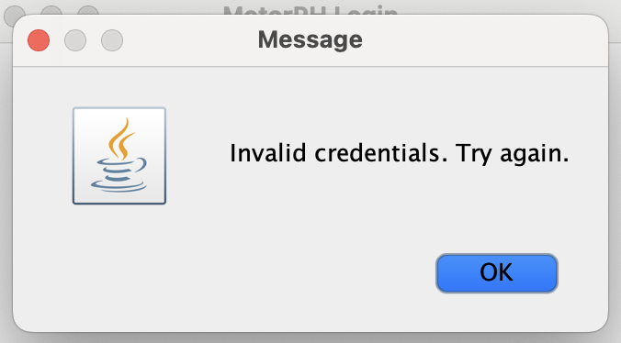 | 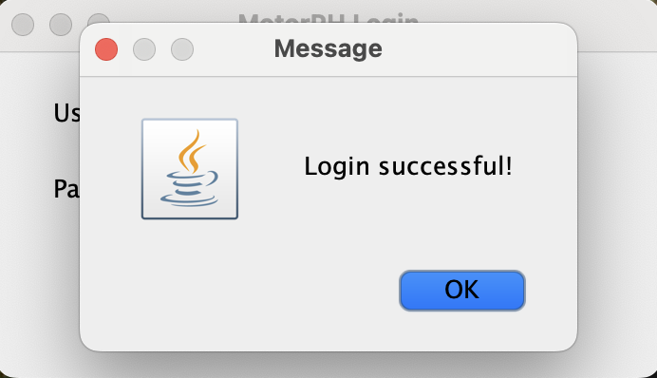 | 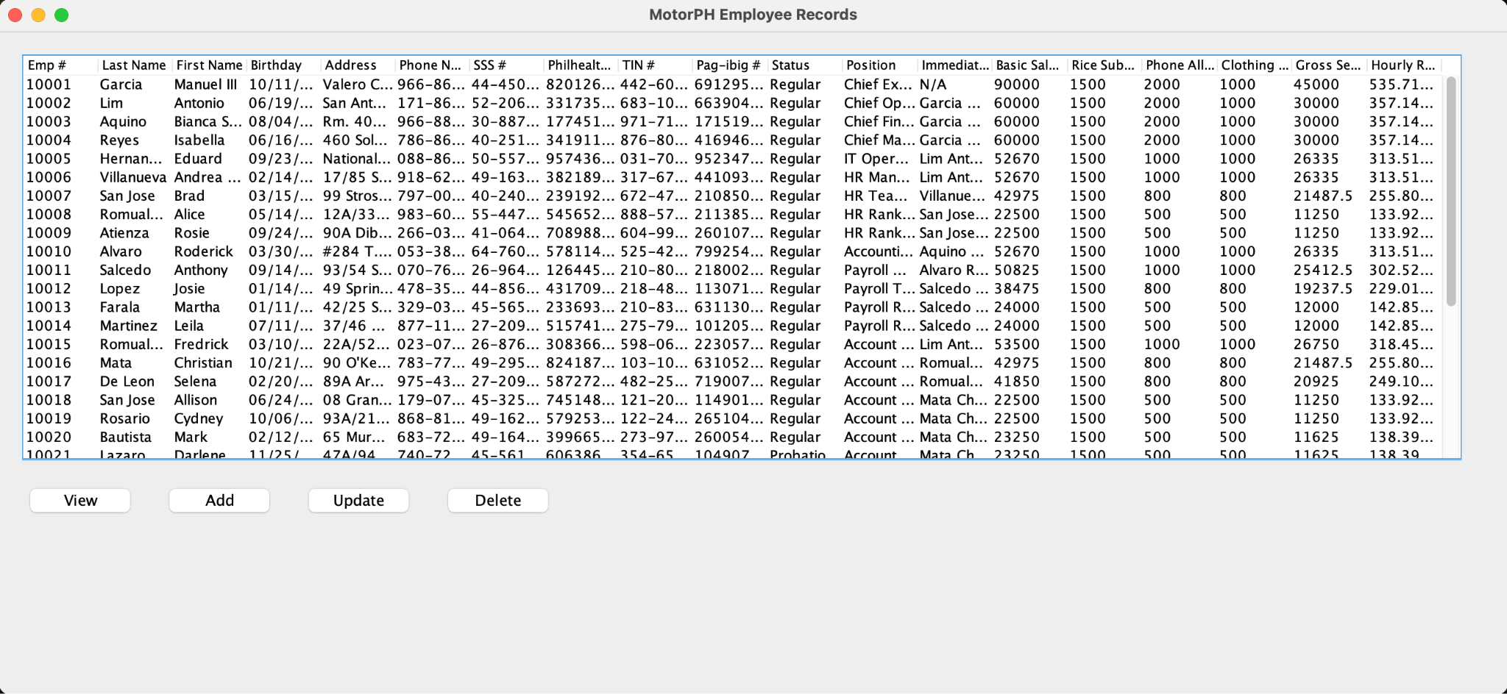 | 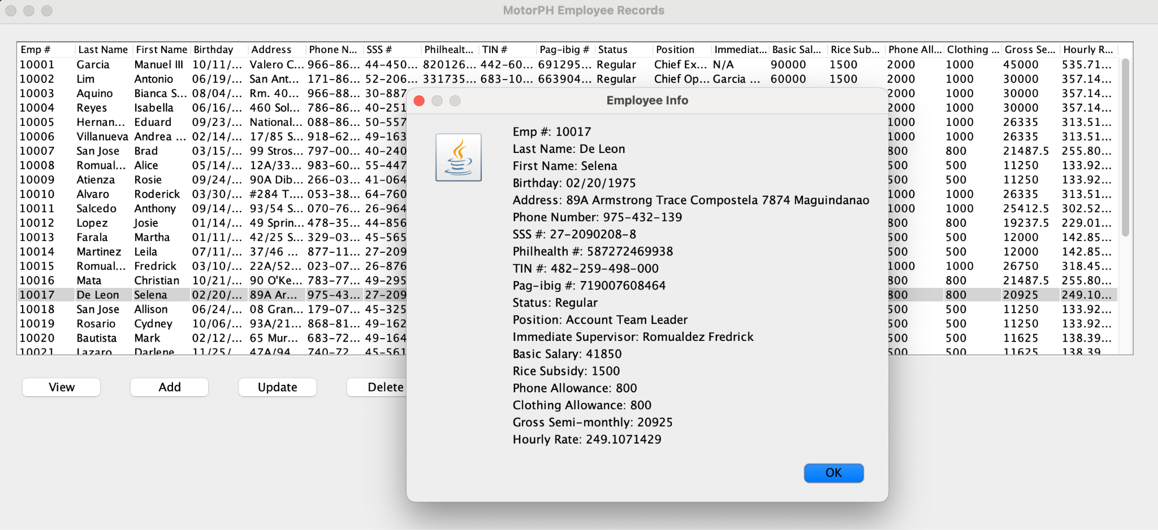 | 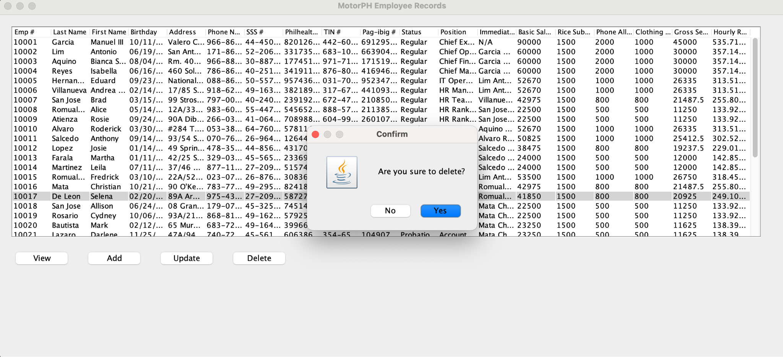
USE CASE 6.a | USE CASE 6.b | USE CASE 7.a | USE CASE 7.b | USE CASE 8 | USE CASE 9
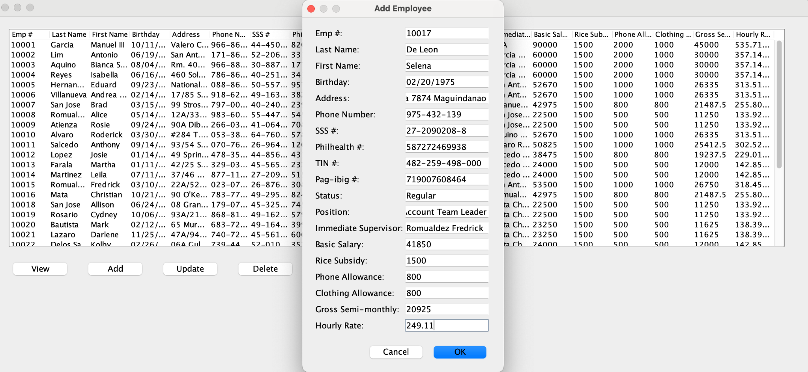 | 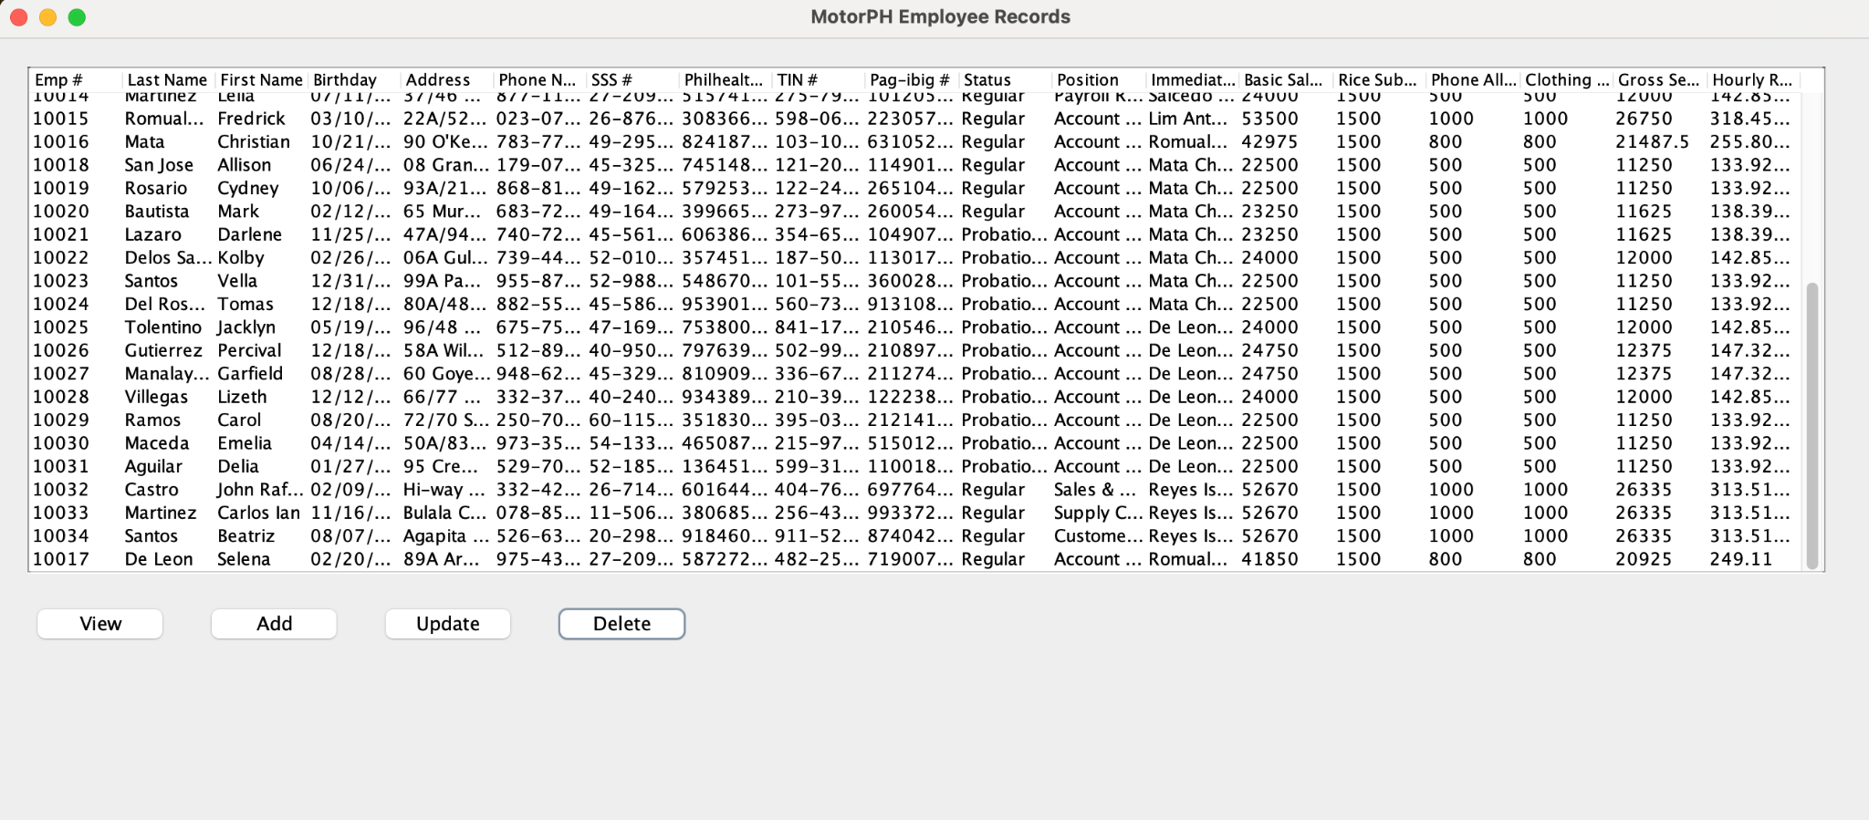 | 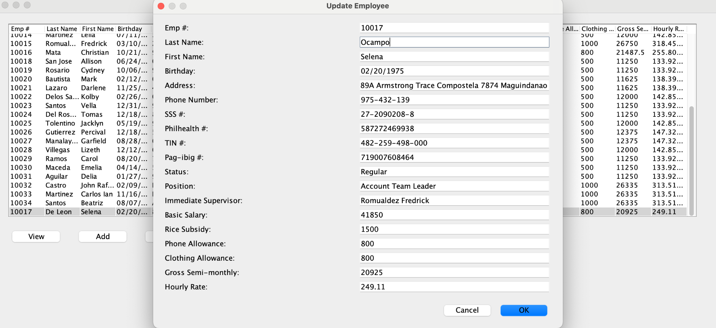 |  | 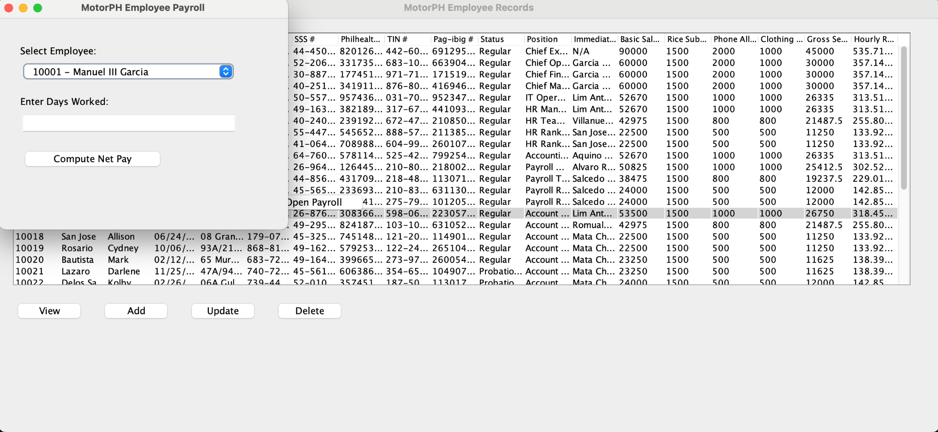 | 